g1-1
Category | Prevelance of serious justice problems in Italy, by problem category
Public services | 31%
Consumer | 26%
Money and debt | 23%
Community | 22%
Family | 13%
Land | 13%
Employment | 12%
Housing | 9%
Education | 9%
Accidental | 9%
Citizenship and ID | 7%
Law enforcement | 1%

Figure 1.1.
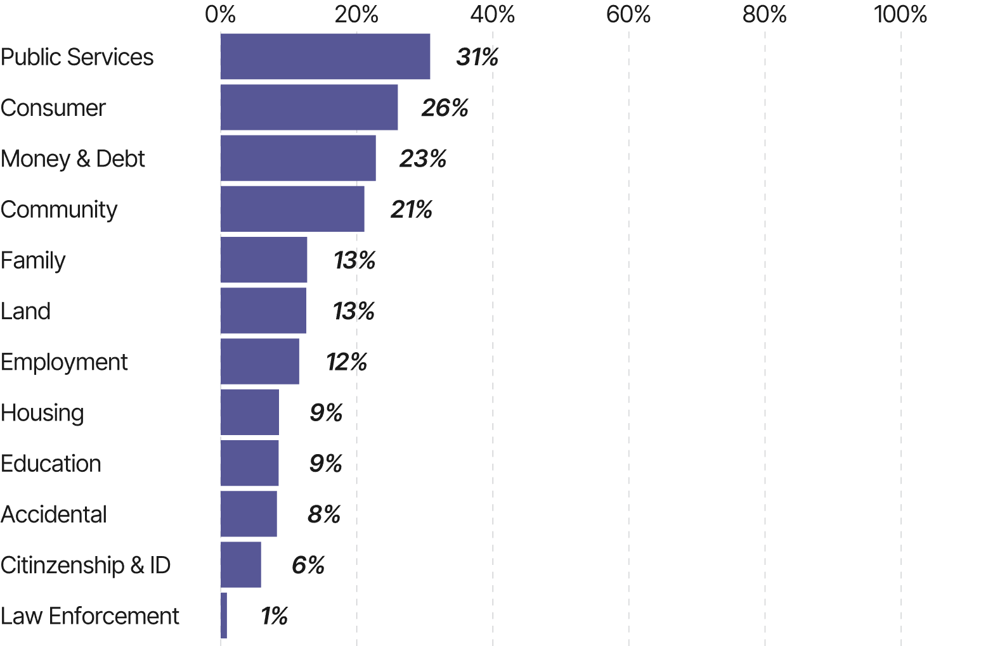
Category | Prevelance of serious justice problems in Italy, by problem category
Public services | 31.40%
Consumer | 26.70%
Money and debt | 23.40%
Community | 21.70%
Family | 13.30%
Land | 13.20%
Employment | 12.20%
Housing | 9.20%
Education | 9.10%
Accidental | 8.90%
Citizenship and ID | 6.50%
Law enforcement | 1.40%

g1-2
WJP Graph

 | Category | Subgroup | Prevalence of serious justice problems in Italy | National average 58% | EU average 49%
 | Gender | Male | 56% | 58.00% | 49.00%
 |  | Female | 60% | 58.00% | 49.00%
 | Category | Subgroup | Prevalence of serious justice problems in Italy | National average | EU average
 | Age group | 18–24 | 59% | 58.00% | 49.00%
 |  | 25–34 | 65% | 58.00% | 49.00%
 |  | 35–44 | 59% | 58.00% | 49.00%
 |  | 45–54 | 60% | 58.00% | 49.00%
 |  | 55–64 | 59% | 58.00% | 49.00%
 |  | 65–100 | 51% | 58.00% | 49.00%
 | Category | Subgroup | Prevalence of serious justice problems in Italy | National average | EU average
 | Financial situation | Unconstrained | 53% | 58.00% | 49.00%
 |  | Constrained | 70% | 58.00% | 49.00%
 | Category | Subgroup | Prevalence of serious justice problems in Italy | National average | EU average
 | Area of residence | Urban | 58% | 58.00% | 49.00%
 |  | Rural | 58% | 58.00% | 49.00%

 |  |  |  | Subgroup | Prevalence of serious justice problems in Italy
 |  |  |  | Male | 56%
 |  |  |  | Female | 60%
 |  |  |  | Subgroup | Prevalence of serious justice problems in Italy
 |  |  |  | 65–100 | 51%
 |  |  |  | 55–64 | 59%
 |  |  |  | 45–54 | 60%
 |  |  |  | 35–44 | 59%
 |  |  |  | 25–34 | 65%
 |  |  |  | 18–24 | 59%
 |  |  |  | Subgroup | Prevalence of serious justice problems in Italy
 |  |  |  | Unconstrained | 53%
 |  |  |  | Constrained | 70%
 |  |  |  | Subgroup | Prevalence of serious justice problems in Italy
 |  |  |  | Urban | 58%
 |  |  |  | Rural | 58%

Figure 1.2.
WJP Graph

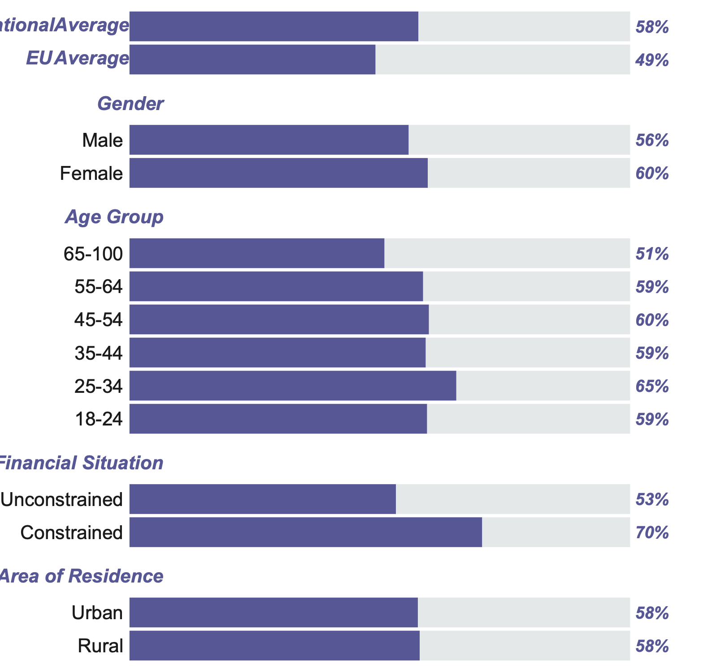

 | Category | Subgroup | Prevalence of serious justice problems in Italy | National Average 58.30% | EU Average 49.20%
 | Gender | Male | 56% | 58.30% | 49.20%
 |  | Female | 60% | 58.30% | 49.20%
 | Category | Subgroup | Prevalence of serious justice problems in Italy | National Average | EU Average
 | Age Grpup | 65–100 | 51% | 58.30% | 49.20%
 |  | 55–64 | 59% | 58.30% | 49.20%
 |  | 45–54 | 60% | 58.30% | 49.20%
 |  | 35–44 | 59% | 58.30% | 49.20%
 |  | 25–34 | 65% | 58.30% | 49.20%
 |  | 18–24 | 59% | 58.30% | 49.20%
 | Category | Subgroup | Prevalence of serious justice problems in Italy | National Average | EU Average
 | Financial Situation | Unconstrained | 53% | 58.30% | 49.20%
 |  | Constrained | 70% | 58.30% | 49.20%
 | Category | Subgroup | Prevalence of serious justice problems in Italy | National Average | EU Average
 | Area of Residence | Urban | 58% | 58.30% | 49.20%
 |  | Rural | 58% | 58.30% | 49.20%

g1-3
 | Average number of problems | National average 4.1
Male | 3.7 | 3.8
Female | 3.9 | 3.8

 |  | National average 4.1
Unconstrained | 3.3 | 3.8
Constrained | 5.0 | 3.8
 |  | National average 4.1
Urban | 3.8 | 3.8
Rural | 4.0 | 3.8

 |  | National average 4.1
18–24 | 5.0 | 3.8
25–34 | 4.6 | 3.8
35–44 | 4.4 | 3.8
45–54 | 4.0 | 3.8
55–64 | 3.2 | 3.8
65–100 | 3.0 | 3.8
Category | Subgroup | Average number of problems | National average 4.1
Gender | Male | 3.7 | 3.8
 | Female | 3.9 | 3.8
Category | Subgroup |  | National average 4.1
Age group | 18–24 | 5.0 | 3.8
 | 25–34 | 4.6 | 3.8
 | 35–44 | 4.4 | 3.8
 | 45–54 | 4.0 | 3.8
 | 55–64 | 3.2 | 3.8
 | 65–100 | 3.0 | 3.8
Category | Subgroup |  | National average 4.1
Financial situation | Unconstrained | 3.3 | 3.8
 | Constrained | 5.0 | 3.8
Category | Subgroup |  | National average 4.1
Area of residence | Urban | 3.8 | 3.8
 | Rural | 4.0 | 3.8

Figure 1.3
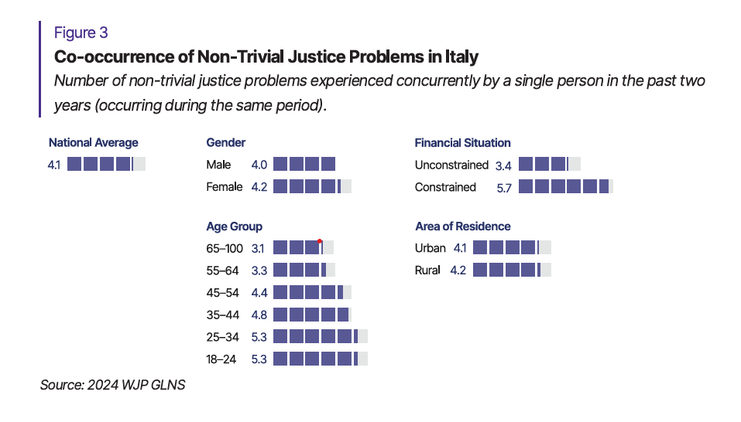

 | National average | 4.1

Area of residence | Urban | 4.1 | 4.1
 | Rural | 4.2 | 4.1
Category | Subgroup | Average number of problems | National average 4,1%
Gender | Male | 4 | 4.1
 | Female | 4.2 | 4.1

Financial situation | Unconstrained | 3.4 | 4.1
 | Constrained | 5.7 | 4.1

Age group | 65–100 | 3.1 | 4.1
 | 55–64 | 3.3 | 4.1
 | 45–54 | 4.4 | 4.1
 | 35–44 | 4.8 | 4.1
 | 25–34 | 5.3 | 4.1
 | 18–24 | 5.3 | 4.1

g1-4
Category | Subgroup |  | National average 58% | EU average 61%
Gender | Male | 61% | 57.70% | 61.10%
 | Female | 55% | 57.70% | 61.10%
Category | Subgroup |  | National average | EU average
Age group | 18–24 | 51% | 57.70% | 61.10%
 | 25–34 | 51% | 57.70% | 61.10%
 | 35–44 | 58% | 57.70% | 61.10%
 | 45–54 | 56% | 57.70% | 61.10%
 | 55–64 | 63% | 57.70% | 61.10%
 | 65–100 | 62% | 57.70% | 61.10%
Category | Subgroup |  | National average | EU average
Financial situation | Unconstrained | 60% | 57.70% | 61.10%
 | Constrained | 55% | 57.70% | 61.10%
Category | Subgroup |  | National average | EU average
Area of residence | Urban | 59% | 57.70% | 61.10%
 | Rural | 55% | 57.70% | 61.10%
 |  | Problem type | National average | EU average
 | Law enforcement | 0 | 57.70% | 61.10%
Problem type
 | Education | 0 | 57.70% | 61.10%
 | Employment | 53% | 57.70% | 61.10%
 | Public services | 53% | 57.70% | 61.10%
 | Accidental | 57% | 57.70% | 61.10%
 | Citizenship and ID | 61% | 57.70% | 61.10%
 | Money and debt | 59% | 57.70% | 61.10%
 | Family | 59% | 57.70% | 61.10%
 | Housing | 59% | 57.70% | 61.10%
 | Community | 60% | 57.70% | 61.10%
 | Land | 61% | 57.70% | 61.10%
 | Consumer | 64% | 57.70% | 61.10%
 |  | Co‑occurring Problems
 | 5 or more problems | 53% | 57.70% | 61.10%
 | 4–5 problems | 55% | 57.70% | 61.10%
Co‑occurring problems
 | 2–3 problems | 58% | 57.70% | 61.10%
 | 1 problem | 63% | 57.70% | 61.10%

Figure 1.4
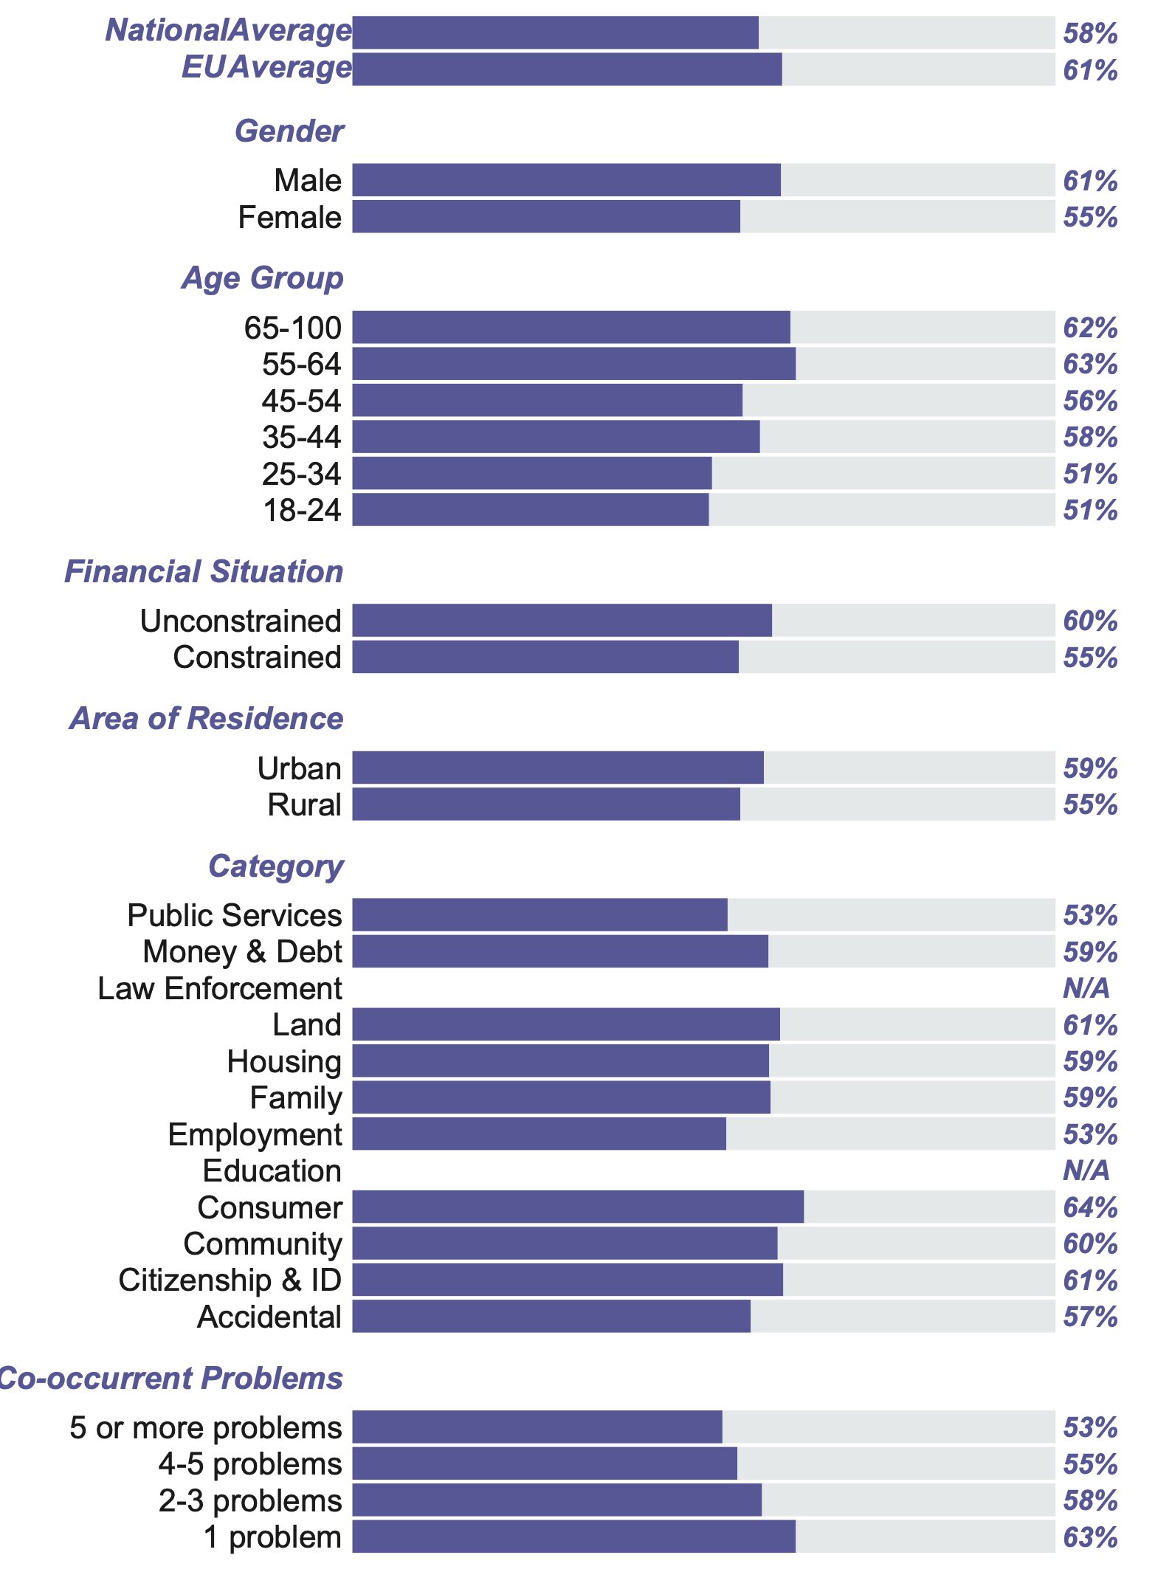
Sociodemographic Breakdown
 | 1
Problem Type
 | 1
Category | Average | Percentage

Category | Subgroup | Sociodemographic breakdown | National average 57.70% | EU average 61,1 %
Gender | Male | 61% | 57.70% | 61.10%
 | Female | 55% | 57.70% | 61.10%
 |  |  | 57.70% | 61.10%
Age group | 65–100 | 62% | 57.70% | 61.10%
 | 55–64 | 63% | 57.70% | 61.10%
 | 45–54 | 56% | 57.70% | 61.10%
 | 35–44 | 58% | 57.70% | 61.10%
 | 25–34 | 51% | 57.70% | 61.10%
 | 18–24 | 51% | 57.70% | 61.10%
 |  |  | 57.70% | 61.10%
Financial situation | Unconstrained | 60% | 57.70% | 61.10%
 | Constrained | 55% | 57.70% | 61.10%
 |  |  | 57.70% | 61.10%
Area of residence | Urban | 59% | 57.70% | 61.10%
 | Rural | 55% | 57.70% | 61.10%
Problem type | Subgroup |  | 57.70% | 61.10%
 | Public Services | 53% | 57.70% | 61.10%
 | Money and debt | 59% | 57.70% | 61.10%
 | Law enforcement | 0% | 57.70% | 61.10%
 | Land | 61% | 57.70% | 61.10%
 | Housing | 59% | 57.70% | 61.10%
 | Family | 59% | 57.70% | 61.10%
 | Employment | 53% | 57.70% | 61.10%
 | Education | 0% | 57.70% | 61.10%
 | Consumer | 64% | 57.70% | 61.10%
 | Community | 60% | 57.70% | 61.10%
 | Citizenship and ID | 61% | 57.70% | 61.10%
 | Accidental | 57% | 57.70% | 61.10%
 |  |  | 57.70% | 61.10%
 | Subgroup | Co‑occurring Problems | 57.70% | 61.10%
 | 5 or more problems | 53% | 57.70% | 61.10%
 | 4–5 problems | 55% | 57.70% | 61.10%
 | 2–3 problems | 58% | 57.70% | 61.10%
 | 1 problem | 63% | 57.70% | 61.10%

Co‑occurring Problems

g1-5
Contact with advisor
Type of advisor/Reasons for no contact
Access to appropriate assistance and representation

Unknown reason
4%

Did not contact
61%
Needed but did not have access
37%
Had no access
57%

Did not need it
20%

Non-appropriate advisor
7%
Contacted
39%
Had access
43%
Contact with Advisor
Did not contact | 61%
Contacted | 39%

Appropriate advisor
33%
Access to Appropriate Assistance and Representation
Had access | 53%
Had no access | 47%

Type of Advisor/ Reasons for not
Type / Reason | Percentage
Appropriate advisor | 33%
Non-appropriate advisor | 7%
Did not need it | 20%
Needed but did not have access | 37%
Unknown reason | 4%

Figure 1.5.
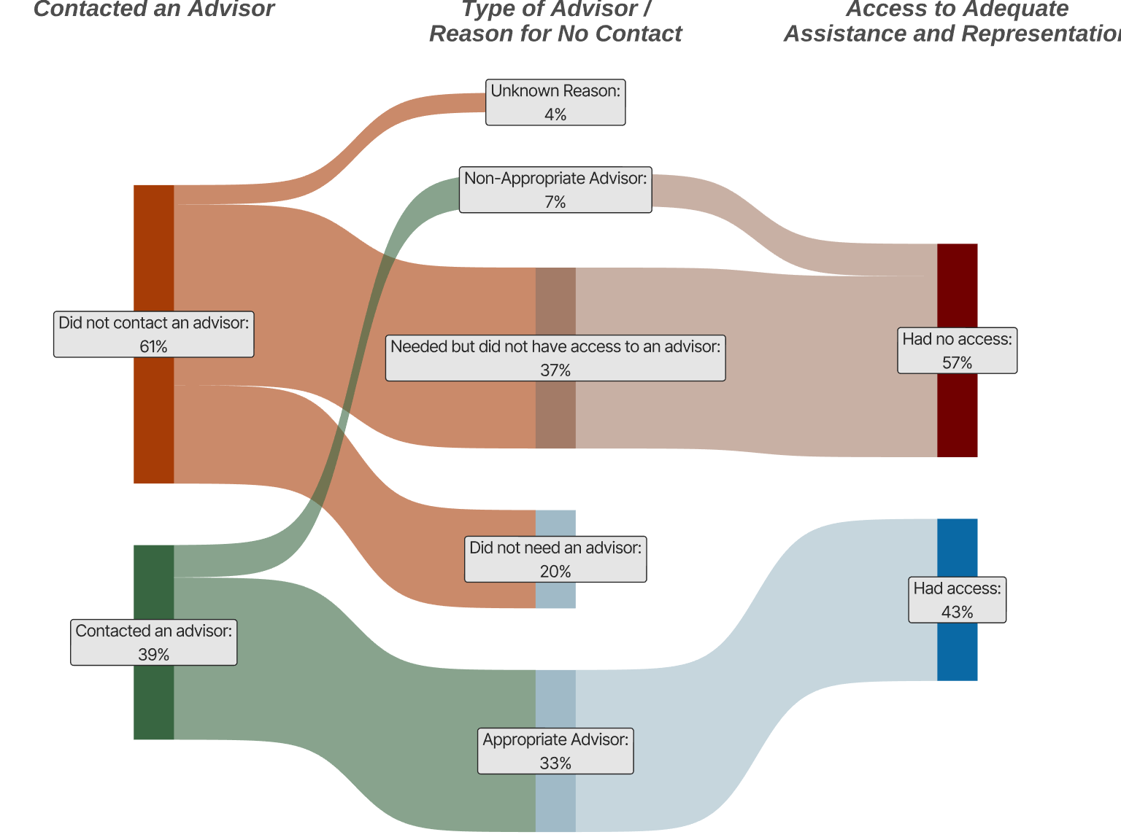

Contact with Advisor
Did not contact | 61%
Contacted | 39%

Access to Appropriate Assistance and Representation
Had access | 43%
Had no access | 57%

Type of Advisor/ Reasons for not
Type / Reason | Percentage
Appropriate advisor | 33%
Non-appropriate advisor | 7%
Did not need it | 20%
Needed but did not have access | 37%
Unknown reason | 4%

g1-6
Contacted a DRM
Reasons for no contact
Access to a DRM

Category | Percentage
Contacted a DRM | 19%
Did not contact | 81%

Did not need to turn to a DRM | 54%
Needed but did not have access to a DRM | 34%
Unknown reason | 12%

Had access | 41%
Had no access | 59%
All respondents
Among those who
did not contact
Among relevant population

Figure 1.6.
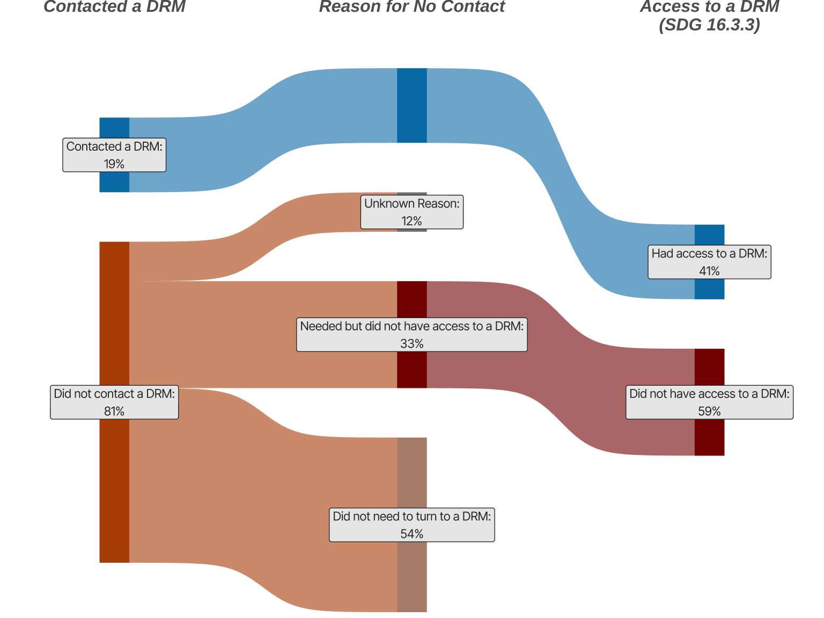

Category | Percentage
Contacted a DRM | 19.40%
Did not contact | 80.60%

Did not need to turn to a DRM | 54.30%
Needed but did not have access to a DRM | 33.40%
Unknown reason | 12.20%

Had access | 41.00%
Had no access | 59.00%

g1-7
Category | Subgroup |  | National average 68% | EU average 72%
Gender | Male | 69% | 67.70% | 72.00%
 | Female | 67% | 67.70% | 72.00%
Category | Subgroup |  | National average | EU average
Age group | 18–24 | 68% | 67.70% | 72.00%
 | 25–34 | 69% | 67.70% | 72.00%
 | 35–44 | 67% | 67.70% | 72.00%
 | 45–54 | 67% | 67.70% | 72.00%
 | 55–64 | 69% | 67.70% | 72.00%
 | 65–100 | 68% | 67.70% | 72.00%
Category | Subgroup |  | National average | EU average
Financial situation | Unconstrained | 69% | 67.70% | 72.00%
 | Constrained | 65% | 67.70% | 72.00%
Co‑occurring problems
Category | Subgroup |  | National average | EU average
Area of residence | Urban | 68% | 67.70% | 72.00%
 | Rural | 67% | 67.70% | 72.00%

Category | Number of problems
Co‑occurring problems | 5 or more problems | 55% | 67.70% | 72.00%
 | 4–5 problems | 67% | 67.70% | 72.00%
 | 2–3 problems | 71% | 67.70% | 72.00%
 | 1 problem | 71% | 67.70% | 72.00%

Figure 1.7.
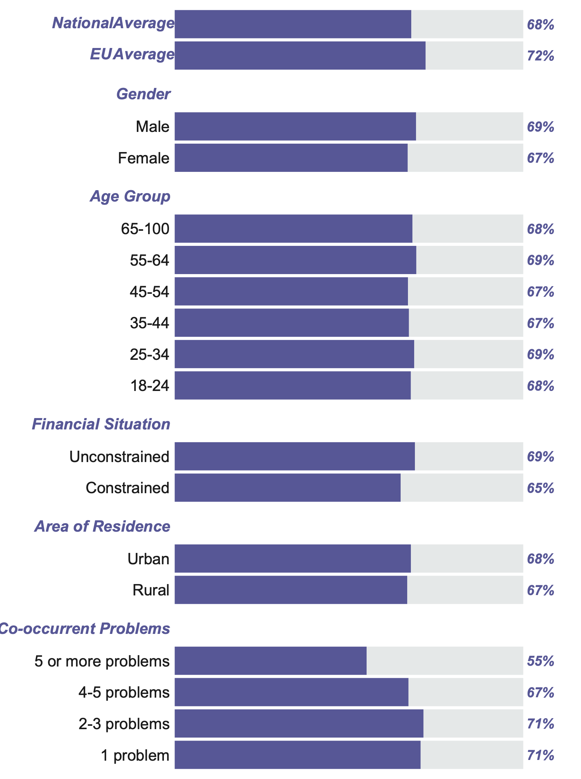

National & EU Averages

Category | Value
National Average | 68%
EU Average | 72%

Category |  | Value | National Average | EU Average
Gender | Male | 69% | 68% | 72%
 | Female | 67% | 68% | 72%

Age Group

Age Group | Value
65–100 | 68%
55–64 | 69%
45–54 | 67%
35–44 | 67%
25–34 | 69%
18–24 | 68%

Financial Situation

Category | Value
Unconstrained | 69%
Constrained | 65%

Area of Residence

Category | Value
Urban | 68%
Rural | 67%

Co‑occurring Problems

Number of Problems | Value
5 or more problems | 55%
4–5 problems | 67%
2–3 problems | 71%
1 problem | 71%

g1-8
 |  | National average 50%
Male | 48% | 50.00%
Female | 51% | 50.00%

 |  | National average
Unconstrained | 48% | 50.00%
Constrained | 54% | 50.00%
 |  | National average
Urban | 49% | 50.00%
Rural | 52% | 50.00%

 |  | National average
18–24 | 57% | 50.00%
25–34 | 52% | 50.00%
35–44 | 53% | 50.00%
45–54 | 50% | 50.00%
55–64 | 46% | 50.00%
65–100 | 45% | 50.00%
Category | Subgroup |  | National average 50%
Gender | Male | 48% | 50.00%
 | Female | 51% | 50.00%
Category | Subgroup |  | National average
Age group | 18–24 | 57% | 50.00%
 | 25–34 | 52% | 50.00%
 | 35–44 | 53% | 50.00%
 | 45–54 | 50% | 50.00%
 | 55–64 | 46% | 50.00%
 | 65–100 | 45% | 50.00%
Category | Subgroup |  | National average
Financial situation | Unconstrained | 48% | 50.00%
 | Constrained | 54% | 50.00%
Category | Subgroup |  | National average
Area of residence | Urban | 49% | 50.00%
 | Rural | 52% | 50.00%

Figure 1.8.
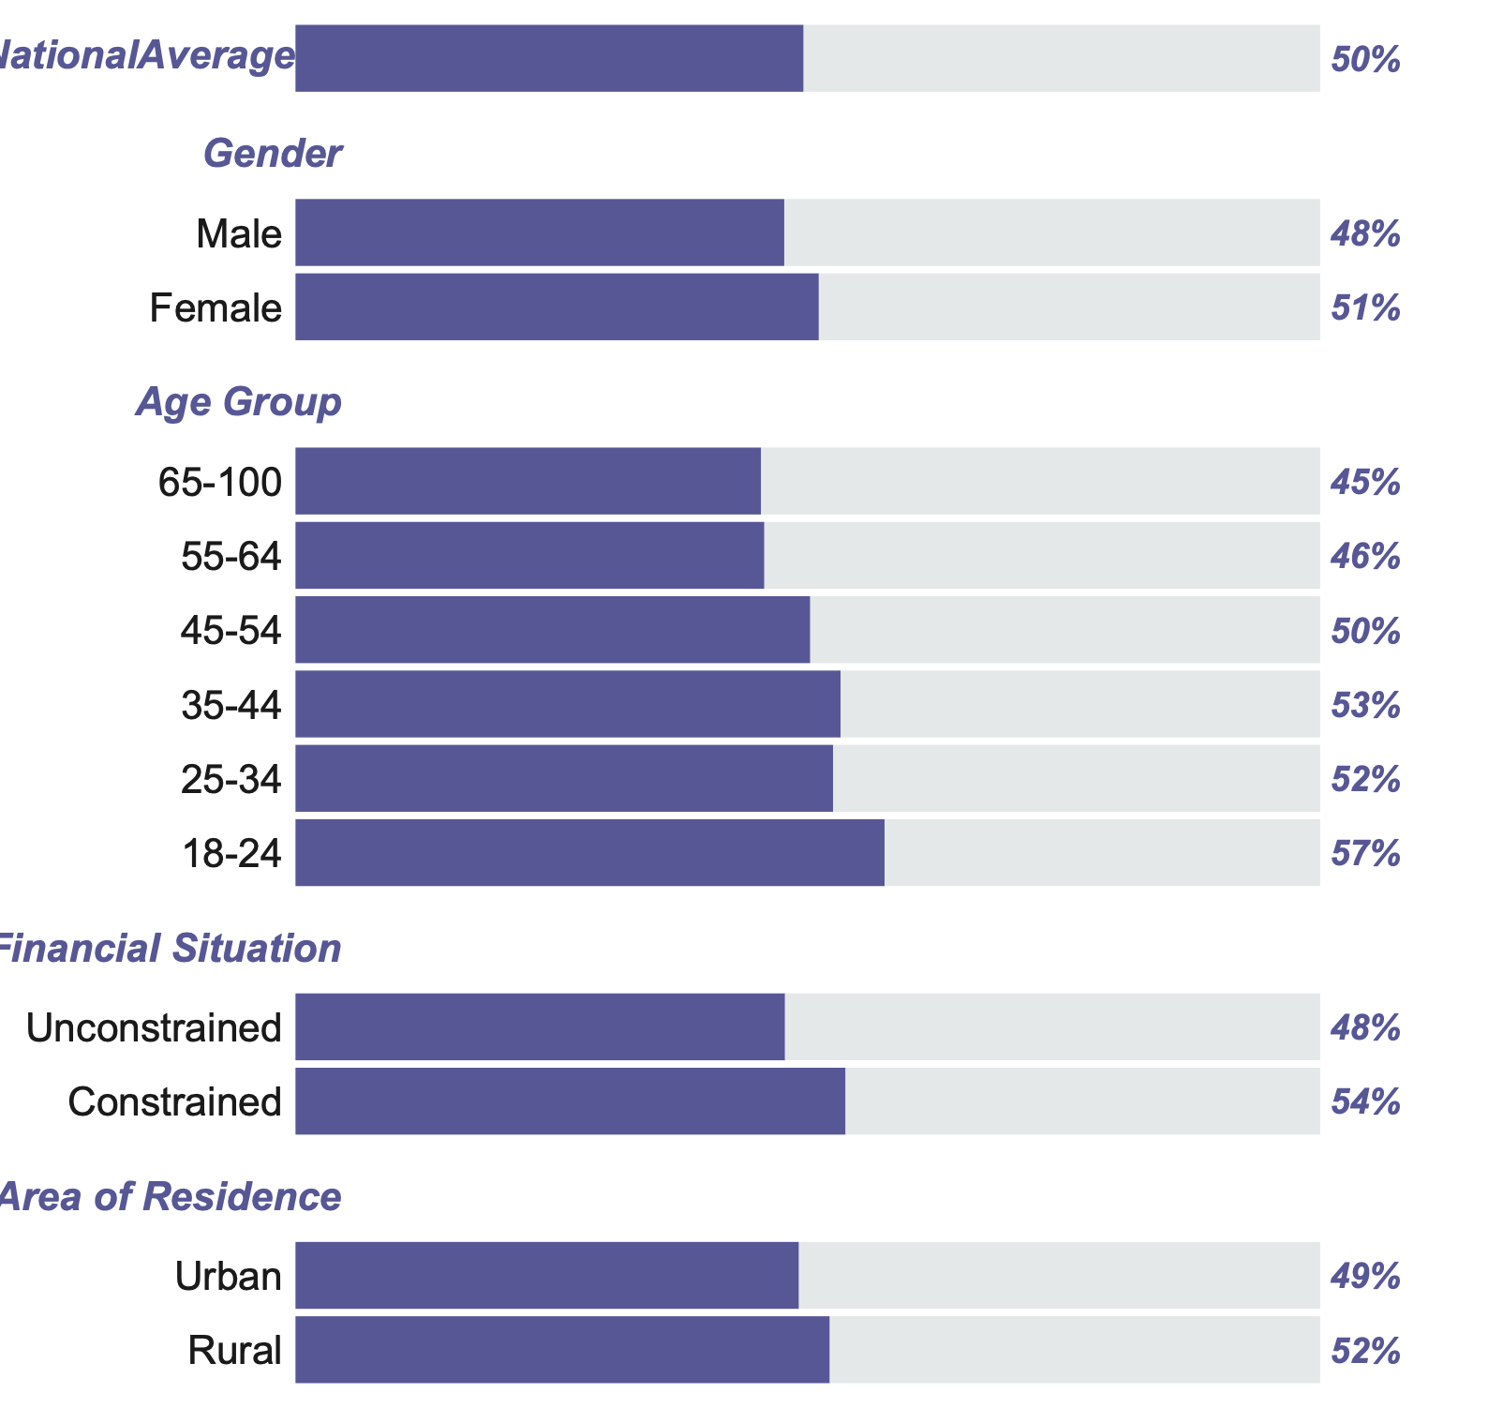

Category | Subcategory | Value (%)
National average | — | 50.00% | National average 50%
Gender | Male | 48% | 50%
 | Female | 51% | 50%
Age Group | 65–100 | 45% | 50%
 | 55–64 | 46% | 50%
 | 45–54 | 50% | 50%
 | 35–44 | 53% | 50%
 | 25–34 | 52% | 50%
 | 18–24 | 57% | 50%
Financial situation | Unconstrained | 48% | 50%
 | Constrained | 54% | 50%
Area of residence | Urban | 49% | 50%
 | Rural | 52% | 50%

